Zygma feedback
Comment Template for: Kantara 800-63A-4 Suite
Name of Submitter/POC: RGWilsher, Zygma Inc.

Criteria Tag | Comment (Include rationale for comment) | Suggested Change
ALL#01 | Since its initial inception, until recent times, it has been a principle of what has evolved into Kantara that there is full disclosure to Members of how the entity is run and the opportunity for all Members to participate and contribute. This transparency and openness has been a fundamental principle and a clear means by which impartiality has been achieved (and arguments to the contrary don't even start to hold water) and in which the most appropriate criteria and supporting processes have been developed and put into practice. There is a manifest lack of transparency regarding the context, scope and process for development of KI's SP 800-63 r4 criteria and consequently a number of concerns regarding this draft and the overall 'rev.4' criteria development have to be stated with a degree of presumption. These follow, tagged as 'ALL#', since they address the process overall rather than any specific criterion or group of criteria. | Full disclosure of the planned process for this activity should be effected without delay. Key elements of what an SDO ought to be doing appear to be being overlooked. Though it might be argued that KI is not an SDO, in all practical senses, in this specific activity it is.
ALL#02 | Kantara Initiative Institutional Knowledge [ KIIꓘ ] seems to have been lost in the present drafting. That may not be intentional but in the absence of transparency the impact, should this prove to be the case, must be considered. Whilst acknowledging the technical value of NIST's publications, there are instances within such publications of them not being best crafted to support those business enterprises which provide many functions on which Federal agencies may rely. As a specific instance, the production of these criteria appears to have proceeded without consideration of determinations once made when there was a working IAWG: this is another oversight from when the rev.3 criteria were developed, in that the opportunity to consolidate certain terminology and explicit requirements by reference to the CO_SAC was not at the time appreciated and addressed. With reference to comment ALL#00, it is noted that there is no clear standing as to how the CO_SAC will in future be treated (yes, brief mention was made at the AGM, but that hardly constitutes a well-communicated and transparent plan). This present oversight loses sight of, and the value in, such institutionalised practices. Kantara has hitherto taken a broader view of its criteria, adding value, through Member participation, by: i) including requirements that attest to the good standing of the service provider as a legitimate business with appropriate establishment and legal/insurance provisions; ii) including requirements that ensure that the service provider has in place appropriate infosec management provisions; iii) explicit requirements and format for provision of a service policy / definition (which the IAWG had recommended be better integrated than had been when rev3 criteria were developed); criteria which were not simply verbatim repetition of the NIST technical requirements but which provided criteria which better-presented certain NIST sections, which introduced additional (industry-driven) re | The points raised need to be incorporated into the programme to produce comprehensive r4 criteria and Membership needs to be involved in an active manner in terms of fulfilment and disposition of these matters. None of these points are addressed by SP 800-63, nor should one expect them to be.
ALL#03 | The adoption of the existing structure of KI SACs is noted and welcomed. It allows the inference that the process of applying criteria, of the performance of assessments and the overall process as defined by the SAH (KIAF-1340), will continue to be applied as at present. | As a part of demonstrating transparency, confirmation of this approach would be welcomed.
ALL#05 | In general, the volume of the suite of documents is more significant than the revision number, i.e. one talks about '63A' with the revision as a qualifier, if required. | Adopting the tag format '63Ar4#nnnn' is suggested, so as to keep alignment to the existing tag naming convention, whilst stating clearly that it is revision 4 to which the criteria apply (and why does one need the hyphen ?).
ALL#06 | [ KIIꓘ ]: The provisions of -63A, 'B and 'C are all subject to the over-riding requirements of the base doc, ignorance of which could be detrimental to claims of conformity based on the specific functional parts' criteria, especially where the base requirements are specifically invoked (e.g. §3.1.16). | It had been noted, when the IAWG was a functional entity, that omission of the base document's requirements was an unfortunate oversight during the drafting of rev.3 criteria. It would be a shame to not learn from that lesson, either by producing a '63r4' set of criteria (suggested to be the most appropriate solution, given their applicability to the three other parts) or applying them on any justifiable basis within the /A/B/C criteria sets.
ALL#07 | [ KIIꓘ ]: The production of these criteria appears to have proceeded without consideration of determinations once made when there was a working IAWG: this is another oversight from when the rev.3 criteria were developed, in that the opportunity, if need be, to consolidate certain terminology and explicit requirements by reference to the CO_SAC was not at the time appreciated and addressed. There is no clear standing as to how the CO_SAC will in future be treated. Such present oversight loses sight of, and the value in, KIIꓘ practices. Kantara has hitherto taken a broader view of its criteria, adding value by: i) including requirements that attest to the good standing of the service provider as a legitimate business with appropriate establishment and legal/insurance provisions; ii) including requirements that ensure that the service provider has in place appropriate infosec management provisions (drawn broadly from IS27001); iii) explicit requirements and format for provision of a service policy / definition ( [ KIIꓘ ] ) : which the IAWG had long ago recommended be better integrated with the rev.4 criteria than they had been when rev3 criteria were developed; iv) criteria which were not simply verbatim repetition of the NIST technical requirements but which provided criteria which better-presented certain NIST sections, which introduced additional (industry-driven) requirements to further enhance the value of an assessment and alternative presentation of criteria, with the same objectives. In the absence of transparency in Kantara Initiative's present-day processes, one does not know whether these meritorious objectives are going to be fulfilled, but not to do so would create new criteria with diminished value to all concerned and a lesser degree of facilitation of assessments. | The points raised need to be incorporated into the programme to produce comprehensive r4 criteria and Membership needs to be involved in an active manner in terms of fulfilment and disposition of these matters. None of course are addressed by SP 800-63. [ KIIꓘ ] : It should be noted that the CO_SAC is based largely on two significant reference standards, RFC 3647 (the basis of the 'Service Definition' structure) and ISO/IEC 27001. Retention of these as the basis for additional (Kantara-developed) criteria is urged. They give Kantara a wider audience than would any attemtp to align to other NIST publications (e.g. CSF, 800-37 etc.), which should be actively discouraged. It is worth noting that in the -63 rev.4 base document, §1.3.1, it is stated that "NIST recommends that non-federal organizations implementing these guidelines follow comparable standards (e.g., ISO/IEC 27001) to ensure the secure operation of their digital systems".
...
63-4A#0080 | As 'A#0070, re. providing support for assessing multiple evidence forms and multiple proofing pathways. | As 'A#0070,
63-4A#0090 | As 'A#0070, re. providing support for assessing multiple evidence forms and multiple proofing pathways. | As 'A#0070,
63-4A#0100 | The same argument applies to all source requirements concerning validating actual forms of evidence | As 'A#0070,
63-4A#0100 | Can item c) be applicable to all evidence strengths, specifically FAIR ? The opening clause does not offer any path other than to apply all sub-criteria to all evdence strengths | Resolve (a viable IAWG would have been the ideal forum for such a matter, but … )
63-4A#0100 | Noting that item e) explicitly refers to core attributes, is one to infer that the criterion applies to a broader set of data, i.e. that to extract core attributes from a given form of evidence the CSP must also valide all other fields to ensure the acceptability of the evidence per se. | Provide commentatry/guidance to address this.
63-4A#0110 | The same argument applies to all source requirements concerning validating actual forms of evidence | As 'A#0070,
63-4A#0120 | sub-criteria a) and b) are expressed as definitions, not requirements | reword to have a normative form
63-4A#0130 | As 'A#0070, re. providing support for assessing multiple evidence forms and multiple proofing pathways. | As 'A#0070,
63-4A#0130 | "engaged in the identity proofing process" is noise - by definition an applicant IS engaged in the identity proofing process. | Remove.
63-4A#0150 | Doc procs OR a practice statement seems odd. Turn this into the requirement extant in rev.3 which requires a CrPS matched to the CrP. See comment xxxx | In this and many other like requirements the principles of IS27001 §7.4 should be observed. This would be supportive of CSPs holding or seeking IS27001 certification, and potentially under other such frameworks. 'documented procedures' and 'practice statement' are used generically, hence would it not be sufficient to require that "CSPs SHALL document the operational details of all identity …"
63-4A#0160 | 'documented procedures' is used confusingly since the following list addresses a service description potentially in conflict with the existing KI concept of such a doc (CO#0090), policies, processes, concepts and other things. | On one hand, simplifying by requiring that things be documented without implying in what manner of document (see above ref. to IS27001), but could be over-simplistic. This whole clause, with all its subparts, has a lot of implied documents, but equally, a mash-up of policies at various levels, processes, procedures. This clause should be analysed and broken into clear parts - what policies are required; what specific things should be addressed, etc. As a specific part of this [ KIIꓘ ], existing Kantara-added value criteria should be incorporated, i.e. 63A#0080, '090 and '100 should be directly adopted. Note that this will limit the content of the explicitly titled/requred CrPS and hence other references to 'practice statements' should be addressed independently (and, it seems the generic title applied is in those cases insignificant - merely the fact that they be documented should be sufficient other than denoting which policies must be specifically produced). The schematic alongside shows, from a very high-level perspective, how the CrP and CrPS would relate to other documents which would be either outward-facing to some legitimate interested party (and by now means all such parties) and internal documents which the CSP would treat as sensitive and not for distribution. Note for the benefit of drafters: the CO_SAC was derived largely based on principals of IS27001; The Service Definition required therein is based on RFC 3647, applied at a high level. RFC 3647 has stood the test of time for many decades, the last 23 years unchanged. This is the basis of the CrP and CrPS requirements in 63A criteria and should be blended with those of the Service Definition. Too many existing Kantara-Approved services already have this structure and it is unnecessary to change these principles, nor to overlook them. | 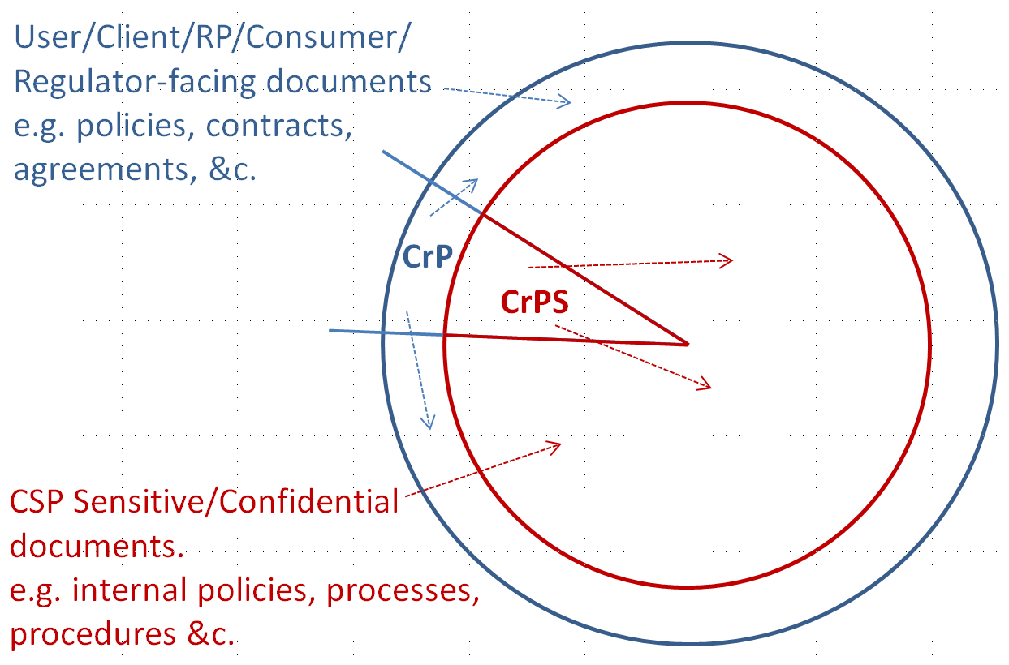
63-4A#0160 a) | as above | this is essentially the CrP as suggested above
63-4A#0160 b) | as above | wouldn't this also be the CrP?
63-4A#0160 c) | as above | Just get it done ?? A policy seems overkill, unless it could be added as a single item in the CrP, … as an SLA?
63-4A#0160 d) | as above | this is CrP and the 'T5-x' as applied to rev.3
63-4A#0160 e) | as above | Policy? Wouldn't that be essentially dictated by this SP? And the validation and verification processes would be captured by the 'T5-x' equivalent criteria. Training is dealt with in response to 'A#0030.
63-4A#0160 f) | as above | as above, re. 'T5-x'
63-4A#0160 g) | as above | as above, re. 'T5-x'
63-4A#0160 h) | as above | As already commented
63-4A#0170 | There is a broad sense that the source requirements do not give consideration to the sensitivity of certain information and why the CSP may not want (for information, privacy, commercial, &c. risk reduction reasons) to put all its eggs and all its info into the hands of all parties with which it deals. | Principles of IS27001 §7.5 should be observed - i.e. when and when needed. Such a phrase or 'as applicable' should be used. This would be supportive of CSPs holding or seeking IS27001 certification (noting the -63 rev.4 base document, §1.3.1), and potentially under other such frameworks.
63-4A#0170 | Why just RPs? This is perhaps a case of NIST authors being focused on the end provision of a service but having no concept of a component service. For this reason [ KIIꓘ ], rev.3 criteria have been written to recognised a 'Service Consumer' which accommodates both full and component services and facilitates their assessment. | Learn from past experience - adopt this as a principle and consider, in all cases where specific roles are cited, whether this form of expression is best suted. All usage of / reference to RPs should be considered in this context. The term 'Service Consumer' differentiates from the Applicant/Subject - see extensive guidance in the CO_SAC.
...

